
 |  |  |  | CODE: |  |  | pl1246 aa SN from 98L000
DESCRIPTION: |  | HEAD LIFTING UNIT |  | KOPFHEBEGRUPPE | GROUPE SOULEVEMENT TETE | LEVANTAMIENTO CABEZA | SOLLEVAMENTO TESTATA
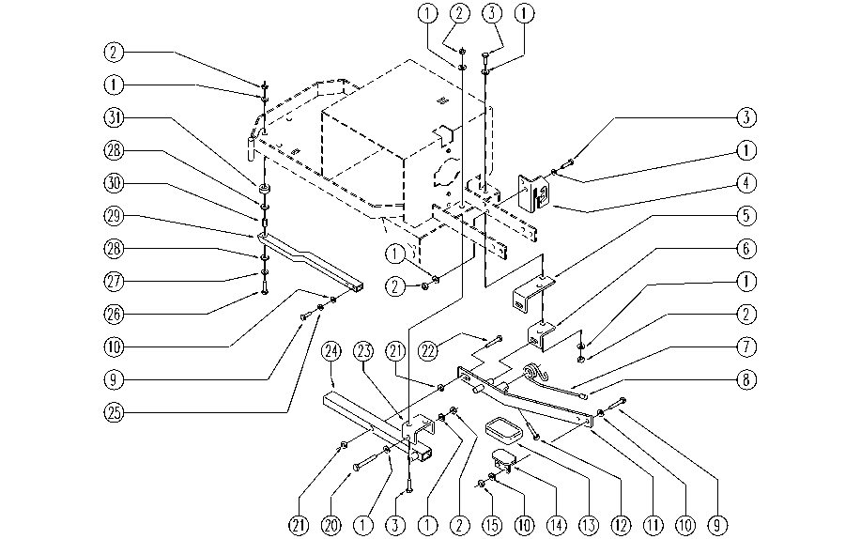

REF. | CODE | DESCRIPTION | QT
1 | E86726 | Washer | 11
2 | E86853 | Nyloc Hex Nut, M8 Zinc | 6
3 | SL04075 | SCREW | 6
4 | E86695 | AS24/28 Pedal Selector Spring | 1
5 | E86326 | Half Fork for AS28 | 1
6 | E86327 | Half Fork for AS28 | 1
7 | SL13071 | SPRING | 1
8 | SL20025 | KNOB (or HANDWHEEL) | 1
9 | E86668 | AS28 Screw | 4
10 | E86427 | Washer for AS20 | 6
11 | E86694 | AS24/28 Lifting Lever | 1
12 | E86494 | AS20 Screw | 1
13 | E89419 | Rubber Shim | 1
14 | SL09133 | PEDAL | 1
15 | E86552 | nut | 2
20 | E89257 | Screw | 1
21 | E86853 | Nyloc Hex Nut, M8 Zinc | 1
22 | E83703 | Screw M8x60 | 1
23 | SL09668 | FORK | 1
24 | SL09669 | LEVER | 1
25 | E86716 | Cham Washer | 2
26 | SL04001 | SCREW | 1
27 | E86979 | Washer D 8-24 Lge Band Zinc Plated | 1
28 | E86980 | Washer PPL66 D13-24-2.5 Uni 6592 | 2
29 | SL09633 | LEVER | 1
30 | E86981 | Spacer D 8-12 L=17,5 | 1
31 | E86975 | Rubber Gasket D11.25 L=10 | 1

